Sheet
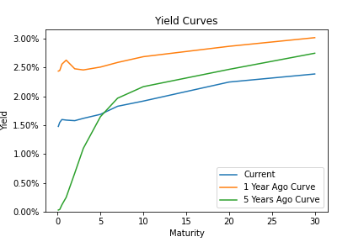

 | Current | 1 Year Ago Curve | 1 Year Change | 5 Years Ago Curve | 5 Year Change
1 Mo | 1.48 | 2.44 | -0.96 | 0.03 | 1.45
3 Mo | 1.55 | 2.45 | -0.9 | 0.04 | 1.51
6 Mo | 1.6 | 2.56 | -0.96 | 0.12 | 1.48
1 Yr | 1.59 | 2.63 | -1.04 | 0.25 | 1.34
2 Yr | 1.58 | 2.48 | -0.9 | 0.67 | 0.91
3 Yr | 1.62 | 2.46 | -0.84 | 1.1 | 0.52
5 Yr | 1.69 | 2.51 | -0.82 | 1.65 | 0.04
7 Yr | 1.83 | 2.59 | -0.76 | 1.97 | -0.14
10 Yr | 1.92 | 2.69 | -0.77 | 2.17 | -0.25
20 Yr | 2.25 | 2.87 | -0.62 | 2.47 | -0.22
30 Yr | 2.39 | 3.02 | -0.63 | 2.75 | -0.36

